Print Page 1
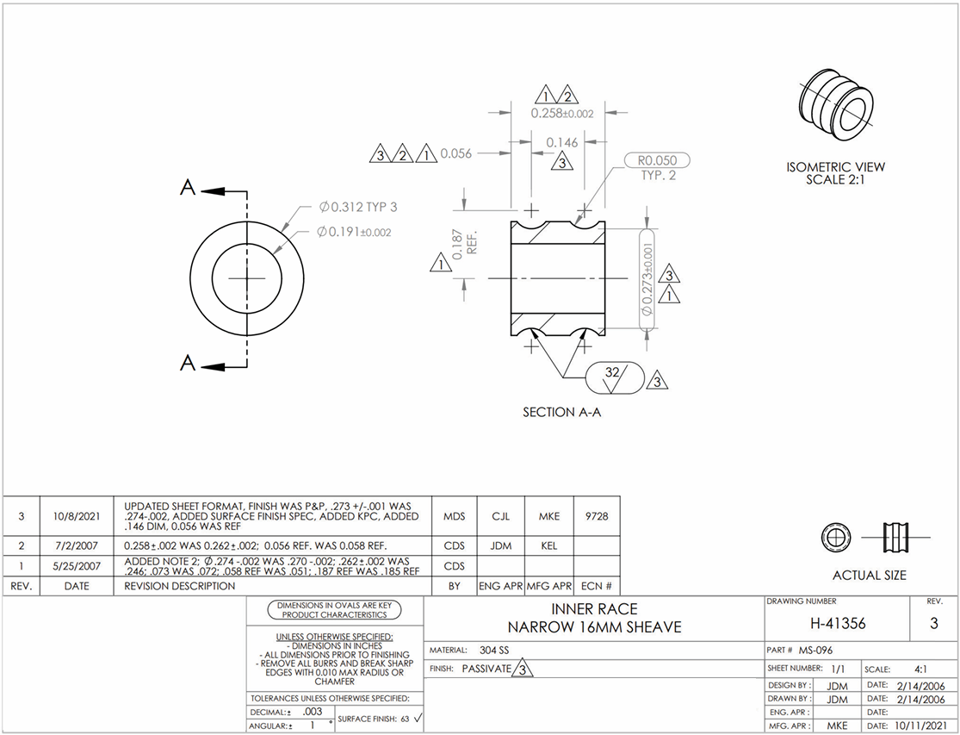

3
4

7
5

1

2
8

6

9

